Sheet1
Boeing Unlevered Free Cash Flows
Period (t) | 2020A | 2021P | 2022P | 2023P | 2024P | 2025P

EBITDA | (10,521) | (11,047) | (11,599) | (12,179) | (12,788) | (13,428)
EBIT | (12,767) | (13,405) | (14,076) | (14,779) | (15,518) | (16,294)
Tax rate | 17.50% | 17.50% | 17.50% | 17.50% | 17.50% | 17.50%

EBIT (1-t) | (10,533) | (11,059) | (11,612) | (12,193) | (12,803) | (13,443)
D&A | 2,246 | 2,358 | 2,476 | 2,600 | 2,730 | 2,867
NWC | (34,362) | (30,926) | (27,833) | (25,050) | (22,545) | (20,290)
Capital expenditures | (1,303) | (1,362) | (1,423) | (1,487) | (1,554) | (1,624)
Unlevered free cash flows (UFCF) | (43,952) | (40,989) | (38,392) | (36,130) | (34,171) | (32,490)

WACC (r) |  | 10.25% | 10.25% | 10.25% | 10.25% | 10.25%
PV of UFCFs |  | (37,178) | (31,585) | (26,961) | (23,129) | (19,946)

Stage 1: Sum of present values | (138,799)

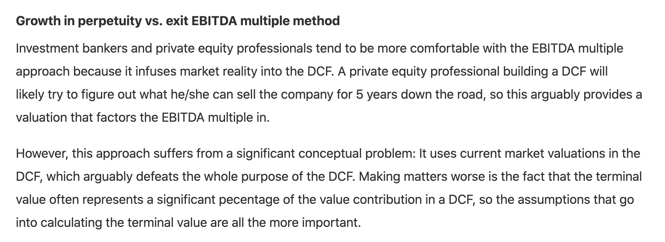
Terminal value - growth in perpetuity approach |  |  | Terminal value - EBITDA multiple approach
Long term growth rate | 3% |  | EBITDA multiple |  |  | (39.1x)
2025 FCF x (1+g) | (33,465) |  | Terminal value in 2025 |  |  | (525,025)
Terminal value in 2025 | (461,588) |  | Stage 2: PV of TV |  |  | (322,320)
Stage 2: PV of TV | (283,375)

Enterprise value (stage 1 + 2) | (422,174) |  | Enterprise value (stage 1 + 2) |  |  | (461,119)

Net debt |  |  | Shares outstanding

Data as of: | 2021-12-01 |  | Basic shares outstanding |  |  | 569

Total debt | 170,211 |  | Equity value
Cash and equivalents | 7,752
Net debt | 162,459.0 |  |  |  | Perpetuity | EBITDA
 |  |  |  |  | approach | approach
 |  |  | Equity value |  | ($1,027.47) | ($1,095.92)

